Co variance and correlation
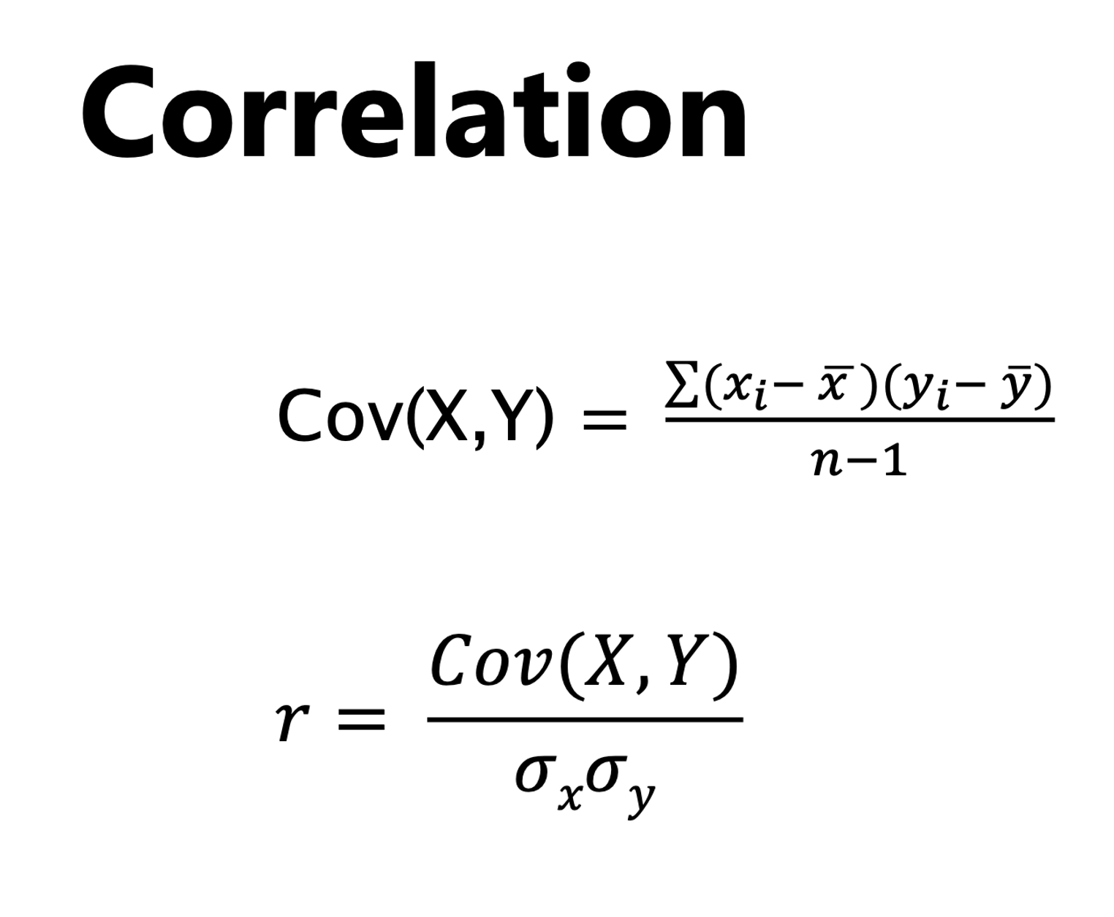
Mileage | Price | Mileage - Mean | Price - Mean
59 | 37 | -13 | -0.11 | 1.44
92 | 31 | 20 | -6.11 | -122.22
61 | 43 | -11 | 5.89 | -64.78
72 | 39 | 0 | 1.89 | 0.00
52 | 41 | -20 | 3.89 | -77.78
67 | 39 | -5 | 1.89 | -9.44
88 | 35 | 16 | -2.11 | -33.78
62 | 40 | -10 | 2.89 | -28.89
95 | 29 | 23 | -8.11 | -186.56

72 | 37.11 |  |  | -65.25
15.81 | 4.64 |  |  | -0.89

Data
X - Mileage Y - Price
Mileage | Price
59 | 37
92 | 31
61 | 43
72 | 39
52 | 41
67 | 39
88 | 35
62 | 40
95 | 29
83 | 33

Sheet14
Mileage | Price
59 | 2423472.2
92 | 14327859.2
61 | 2769168.2
72 | 5374771.2
52 | 1462323.2
67 | 4030224.2
88 | 11993907.2
62 | 2955267.2
95 | 16290125
83 | 9491664.2

Std Error
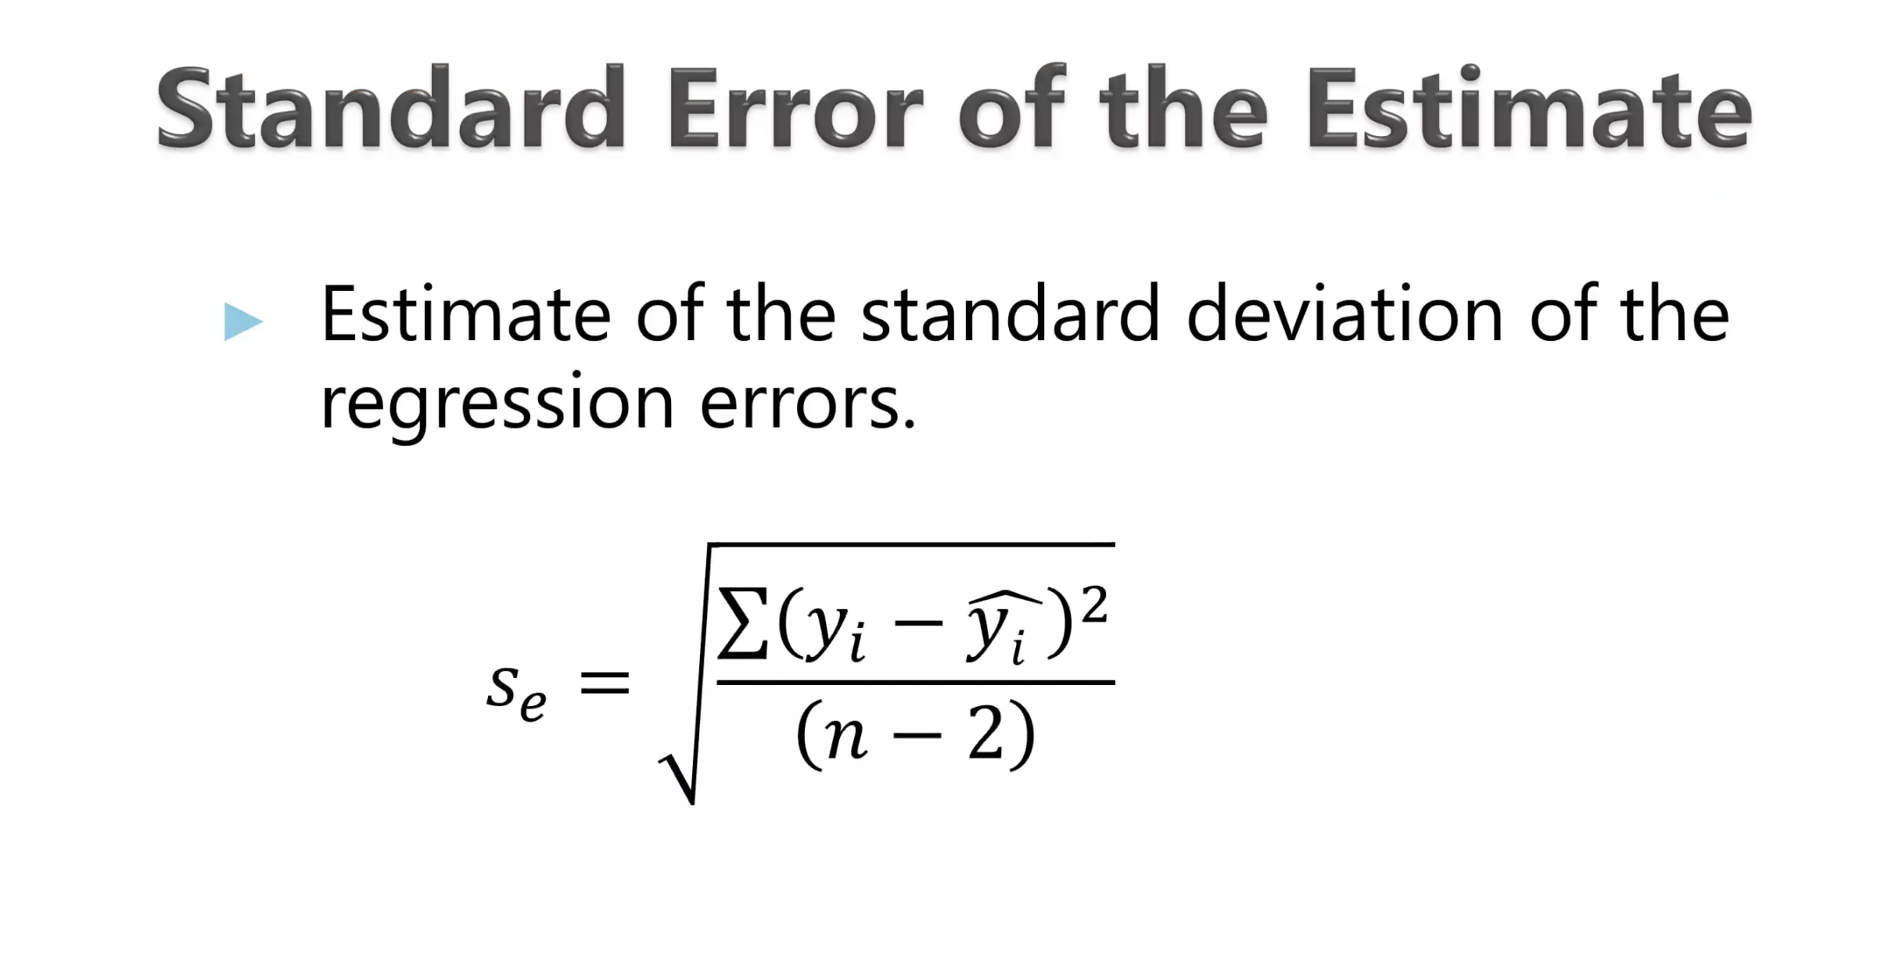
Mileage | Price | Error | Error SQ
59 | 37 | -3.462184077 | 11.986718583
92 | 31 | -0.65707240742 | 0.43174414859
61 | 43 | 3.0714590545 | 9.4338607234
72 | 39 | 2.0064962777 | 4.0260273123
52 | 41 | -1.3299350372 | 1.7687272032
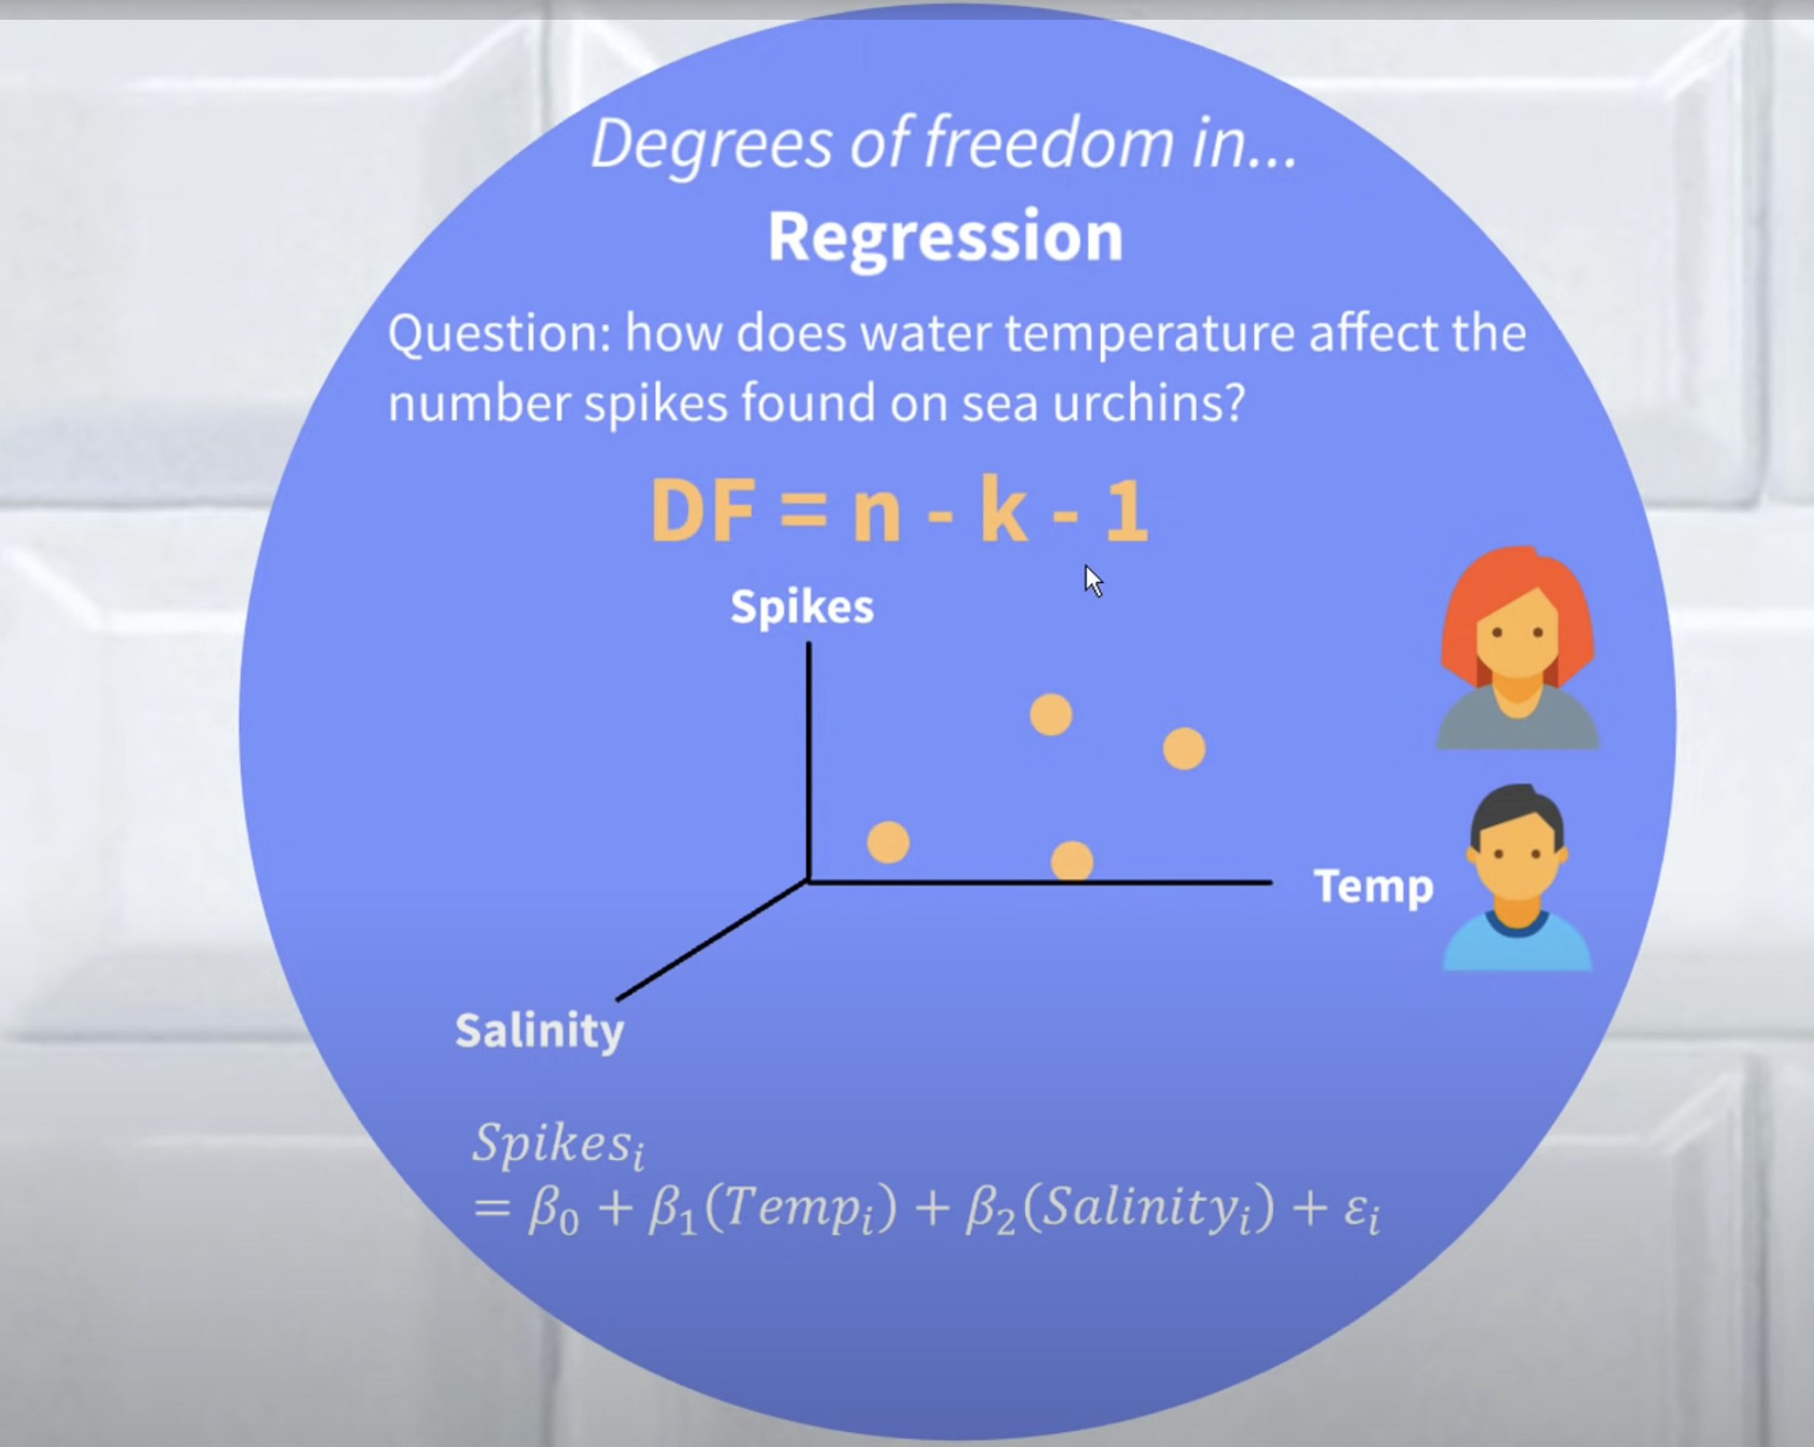
67 | 39 | 0.67238844895 | 0.45210622629
88 | 35 | 2.2756413296 | 5.178543461
62 | 40 | 0.33828062023 | 0.11443377802
95 | 29 | -1.8566077102 | 3.4469921895
83 | 33 | -1.0584664991 | 1.1203513298

56.204656456 | Intercept | 0 | 37.959504955
-0.26682156575 | Slope | 0 | 2.1782878872

 |  |  |  | Is having smaller standard error better or worse ? How can you reduce standard error ?

 |  |  |  | Degrees of freedom . Why divide n-2 ?

R2
